Adjacency
We need to build custom adjacency logic because gaps between products seem to be fairly common. See examples and related notes below:
Example Scenes | Notes
https://services.traxretail.com/trax-one/molsoncoorsca/explore/scene/15693
 | As seen in this scene, there is very liberal space between product facings. In practice, these products would be considered adjacent So our KPI needs to identify them as such An acceptable exception would be if empties were recognized between products If that occurs the empty SHOULD break adjacency

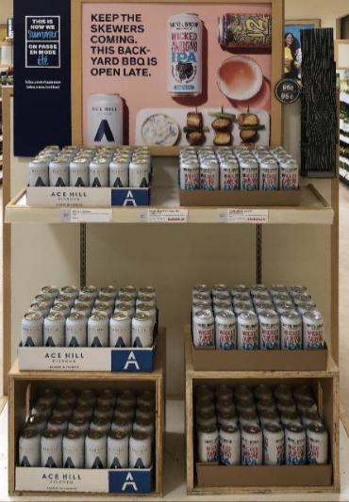
https://services.traxretail.com/trax-one/molsoncoorsca/explore/scene/15754
 | In this scene, shelf tags show that the product in the middle is missing however the store has re-merchandised this to fill out the shelf better IF: We identify an empty, then this would NOT be adjacent, and that's acceptable IF: We do NOT identify an empty, this would be considered adjacent, and that's correct

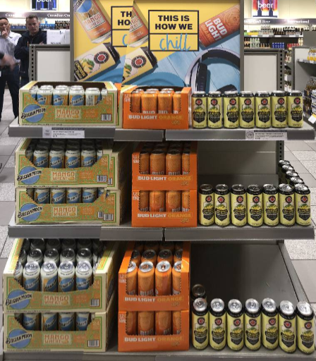
https://services.traxretail.com/trax-one/molsoncoorsca/explore/scene/15756
 | Here, all products are fully availabe, but there's still some gaps that would fail traditional adjacency This should absolutely pass as adjacent for Belgian Moon & Bud Light Orange, as well as BL Orange & the Lemonade However this is a great example of why same-scene 'adjacency' would NOT work Because Belgian Moon and the Lemonade should never be considered adjacent

